Bid Form
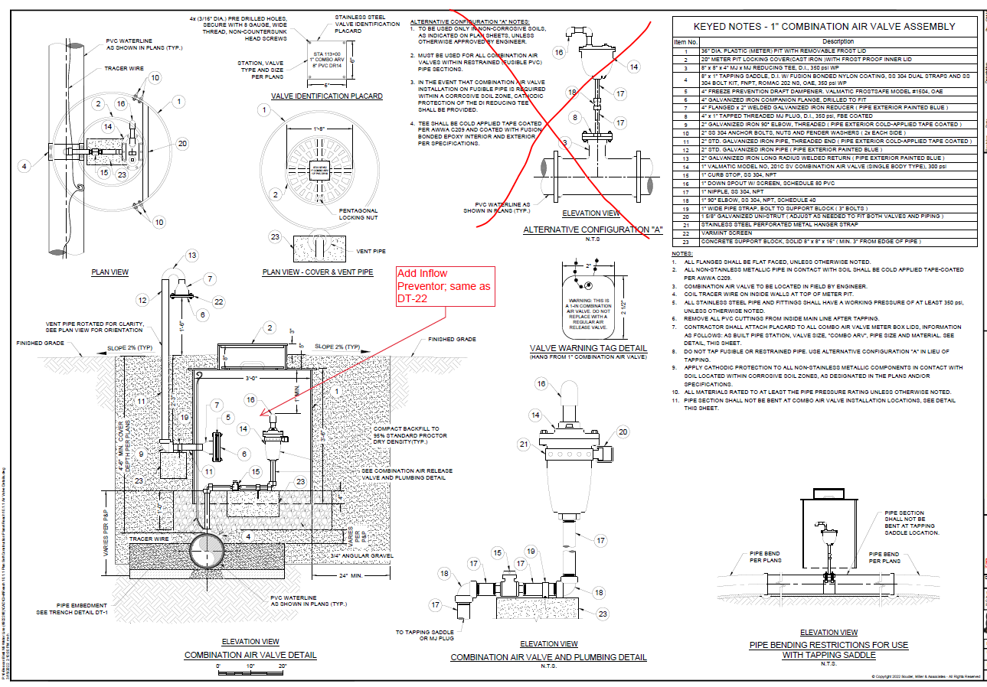
Smith Lake Chapter Water System Improvements Project : Additive items - Dedicated waterline from Well #3 to Water Treatment Site
 |  |  |  | SMA requested pricing on: | 2022-05-19
ITEM NO. | ITEM DESCRIPTION | UNIT | EST. QTY. | UNIT PRICE | TOTAL PRICE
Erosion and Storm Water Controls
A-1 | Re-seeding of waterline ROW, CIP. | LF | 3,994 |  | $-
A-2 | SWPPP pursuant to NPDES stormwater program and consistent with USEPA’s general construction permit. Includes preparation of document, all BMPs required by SWPPP, filing of all notices and inspections required by EPA, etc. | LS | 1 |  | $-
Water Mainline
A-3 | 2-inch PVC SDR 21, 200psi WP, PVC pipeline, min. 4-ft bury to top of pipe, with appurtenances (incl. all fittings, adaptors and anchors not separately listed, bell and spigot joint as indicated on plans and specifications; excl. all piping & appurtenances within Well #3 and Well #1 Site Easement), CIP. | LF | 3,994 |  | $-
 | Tie-in to existing 4" distribution main (incl. 4"x2" & 2"x2" MJ tees w/MJ restraints on 4" connections and thrust blocks behind tees for restraint of 2", & all labor and appurtenances not separately listed), CIP. Excludes gate valve assemblies and 2" PVC pipeline. | EA | 2 |  | $-
A-4 | Flushing, disinfection and bacteriological testing of main pipeline, CIP. | LF | 0 |  | $-
A-5 | Hydrostatic testing of main pipeline, CIP . | LF | 3,994 |  | $-
A-6 | Rock removal and processed / imported backfill material (excl. placement and compaction of backfill, embedment, or soil cement, which are incidental to pipe bid items), CIP. | VLF | 1,997 |  | $- | VLF quantity Assuming 10% of WL trench is rock w/ 5-ft bury. If NECA comfortable/prefers bidding w/rock incidental, that is ok too of course. No potholing has been completed along waterline route.
Water Valve Assemblies
A-7 | 2-inch Mainline Gate valve assembly for normally closed bypass to existing distribution, CIP. | EA | 2 |  | $- | These are to be normally closed GVs where we are tying into 4" distribution as new line turns the corner towards each well. Iso valves at start and stop of line already accounted for in treatment site plan and prev recent work by neca at Well site #3.
A-8 | 1” combination air valve assembly in meter can (including Val-Matic model 302C.2-DISV air valve, 1" Val-matic floodsafe inflow preventer, and all accessories not separately listed), CIP | EA | 4 |  | $- | NECA, see draft detail below, w/understanding that inflow preventer would be plumbed to air valve w/additional 1" stainless Sch40 in lieu of the small snorkel and then inflow preventer body supported with unistrut like the air valve is.
Road, Wash & Utility Crossings |  |  |  |  |  | originally 7 air valves on BTY prelim draft, RMB thinks can get by w/4 once P&Ps are graded
A-9 | Open cut gas utility crossing, incl. location of gas line, EBAA 6500 (OAE) bell restraint harnesses for carrier pipe (quantity 3 estimated), 8-inch DR18 PVC casing and end seals, min. 24" vertical clearance from gas line to casing below unless otherwise directed, CIP. Excludes carrier pipe. | LF | 40 |  | $- | typical gas x-ing ~40ft, typical casing must provide 4 inches between inside of casing and outside of carrier pipe. Restraint harnesses for 2" SDR pipe are 5.81" diameter casing clearance per EBAA. SMA will confirm required retraint length for cased line, but estimated 3 restraints given minimal restraint length anticipated but at least want to restrain within the casing and one either side.
A-10 | Open cut sewer line crossing, incl. location of sewer line, installation of carrier pipe with min. 12" vertical clearance from sewer line, CIP. Excludes carrier pipe. | LS | 1 |  | $-

 | TOTAL OF BASE BID: | $ |  |  | -
 | NN 6% Sales Tax |  |  |  | $-
 | Total w Tax |  |  |  | $-

